FOI Inventory (2022)
URS FOI Information Inventory

Agency abbreviation | Agency Name | Title | Description | File Format | Online Publication | Location or URL | Disclosure Type | Original Data Owner | Data Maintainer | date_released (or coverage) | frequency_of_update
Agency abbreviation | Name of agency (spelled out) | Title of the information (record/document) | Description of the information | CSV, XLS, SHP, KML, TXT, PDF, DOC, Standard (hard copy) etc. | Posted in the website (Yes/No) | Location of published information or URL for direct download | Whether the information is either of the following: - public: info can be disclosed for public consumption regardless of identity - exception: info is under the Exceptions List - internal: info only for agency consumption - with fee: info can be disclosed but with corresponding charges based on the agency's mandate/policies/business model - limited: info, upon verification of the requesting party's identity, can only be disclosed to specific person/s and/or entity/ies | Agency or office who originally owns/create the information | Unit responsible in storing the information (can be the same as the Data Owner) | The date when the information was initially released (YYYY-MM-DD) or year only | Daily, Annually, Biannually, Quarterly, Monthly (optional)
URS | University of Rizal System | Organizational Structure | It is a typically hierarchical arrangement of lines of authority, communications, rights and duties of each and every officials in the organization | PDF | Yes | http://www.urs.edu.ph/administration/organizational-structure/ | Public | Planning, Monitoring and Evaluation Office | Planning, Monitoring and Evaluation Office | 2013 | as the need arises
URS | University of Rizal System | URS History | It is a merger of two (2) state colleges and a University extension campus - the Rizal Polytechnic College, Rizal State College and the Rizal Technological University extension campus to which the passage of RA 9157 in 2001 established the University of Rizal System | PDF | Yes | http://www.urs.edu.ph/about-us/history-2/ | Public | Office of the University President | Office of the University President | 2001 | as the need arises
URS | University of Rizal System | URS Citizens Charter | Identifies the offices in the URS rendering frontline services which include the procedure on how to obtain a particular service and the person/s responsible for each step | PDF | Yes | http://www.urs.edu.ph/PDF/CITIZENS-CHARTER-FOR-WEBSITE.pdf | Public | University Human Resource Management Office | University Human Resource Management Office |  | as the need arises
URS | University of Rizal System | Philippine Transparency Seal | It is prominently desplayed on the main page of the website of a particular government agency | PDF | Yes | http://www.urs.edu.ph/transparency-seal/ | Public | Management Information System | Management Information System | 2012 | as the need arises
URS | University of Rizal System | URS Code/Manual | It serves as the guide and reference for officials to carry out their functions as it contains vital policies, rules and regulations concerning the day to day operation of the University | DOC/PDF | No | File | Public | Office of the University President | Office of the University President | 2014 | as the need arises
URS | University of Rizal System | Quality Management Manual | Provides information on the different operational policies and procedures to fulfill the University's mandate and sustain the quality service to its stakeholders | DOC | No | File | Public | Quality Management System Team | Quality Management System Team | 2018-11-16 | as the need arises
URS | University of Rizal System | Annual Report | Yearly Report on Targets and Accomplishments of the URS | DOC | Yes | File | Public | Planning, Monitoring and Evaluation Office | Planning, Monitoring and Evaluation Office | every 2nd quarter of the year | as the need arises
URS | University of Rizal System | MOA/MOU with other government and partner agencies | Various agreements between URS and other government agencies (local and international) with regards to educational endeavors, research and extension programs, etc. | DOC | No | File Folder | Limited | Special Project Officer/Office of the University President | Special Project Officer/Office of the University President | varies | as the need arises
URS | University of Rizal System | Linkages with International Organizations | Various agreements with different international partner institutions | DOC | No | File Folder | Limited | International Development & Special Programs/ Office of the University President | International Development & Special Programs/ Office of the University President | varies | as the need arises
URS | University of Rizal System | 201 Files of Faculty/Staff | Individual files of permanent, contractual and job order which contains Personal Data Sheet, Special Orders, Retirement Documents, etc. | DOC | No | File Folder | Limited | University Human Resource Management Office | University Human Resource Management Office | varies | as the need arises
URS | University of Rizal System | Accounting and Budget Forms | Duly accomplished accountable forms as proof of payment of salaries, purchases and other claims | DOC | No | File Folder | Internal | Accounting/Budget | Accounting/ Budget | varies | as the need arises
URS | University of Rizal System | Minutes of the Board, Faculty and Staff Meetings | Details of discussion that transpired during the various meetings | DOC | No | File Folder | Internal | Board Secretary/ Office of the University President/ Concerned Units | Board Secretary/ Office of the University President/ Concerned Units | varies | Annual
URS | University of Rizal System | Medical Examination Results | Result of Laboratory Tests such as x-rays, ecg, urinalysis, etc. | DOC | No | Index Card | Limited | Health Services Unit | Health Services Unit | varies | as the need arises
...
URS | University of Rizal System | Local and Foreign Travel Authorities | Travel Authorities issued to all personnel who travels both local and foreign as well as official and personal in nature | DOC | No | File Folder | Public | University Human Resource Management Office/ Concerned Units | University Human Resource Management Office/ Concerned Units | varies | as the need arises
URS | University of Rizal System | Legal Opinions | Opinions rendered on request for clarification of rulings and regulations | DOC | No | File Folder | Limited | Office of the University President/ Concerned Officials | Office of the University President/ Concerned Officials | varies | as the need arises
URS | University of Rizal System | Audit Observation Memo | Issued if an audit decision cannot as yet be reached due to incomplete documentation/information, or if the deficiencies refer to financial or operational matters which do not involve pecuniary loss | DOC | No | File Folder | Internal | Finance Services/ Concerned Units | Finance Services/ Concerned Units | varies | Annual
URS | University of Rizal System | Notice of Suspensions/ Disallowances | Issued when a transaction is temporary disallowed/disapproved in audit until the requirements are complied with. This shall cover only transactions which may result in loss to the government | DOC | No | File Folder | Limited | Finance Services/ Concerned Units | Finance Services/ Concerned Units | varies | Annual
URS | University of Rizal System | Statement of Assets, Liabilities, and Net Worth | An annual document that all government workers in the Philippines wether regular or temporary must complete and submit atesting under oath to their total assets and liabilities inculding businessed and financial interests that make up their net worth | DOC | No | File Folder | Limited | University Human Resource Management Office | University Human Resource Management Office | every 1st Quarter of the year | Annual
URS | University of Rizal System | Bidding Documents | Requirements before purchase of any items in every government programs and projects | DOC | No | File Folder | Public | Bids and Awards Committee/ Supply Office | Bids and Awards Committee/ Supply Office | varies | as the need arises
URS | University of Rizal System | Fact Finding Results | Results of every investigation conducted | DOC | No | File Folder | Internal | Office of the University President/Fact Finding Committee | Office of the University President/Fact Finding Committee | varies | as the need arises
URS | University of Rizal System | Certificate of Employment | Certification of all remunerations received by employees including allowances and bonuses | DOC | No | File Folder | Internal | Campus Human Resource Management Office | Campus Human Resource Management Office | varies | as the need arises
URS | University of Rizal System | Office Issuances | Office Orders/Memoranda issued to the faculty and staff/officials in the performance of duties and functions as well as directives and policies within the University's mandate | DOC,PDF | No | Data Folder/File Folder | Internal | Office of the University President/ Records Office | Office of the University President/ Records Office | varies | as the need arises
URS | University of Rizal System | Research Programs and Extension Activities | These are published researches and extension services which cater to the needs not only of the University but of the LGUs, NGOs, and people in a community | DOC | No | File Folder | Internal | Research Development, and Extension Offices | Research Development, and Extension Offices | varies | as the need arises
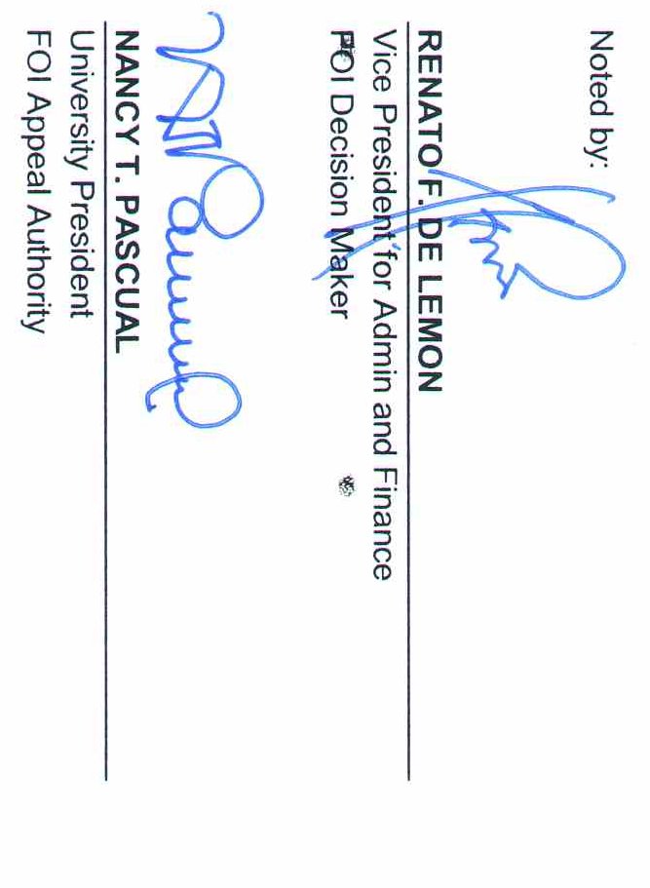

FOI Summary (2022)
...
Total Processed Requests | STATUS OF PROCESSED REQUESTS |  |  |  |  |  |  |  | Total Number of Processing Days | Average Processing Period | Average Feedback Score | Ongoing Requests | STATUS OF ONGOING REQUESTS
7 | 7 | 0 | 0 | n/a | 0 | 0 | 0 | 0 | 0 | 0 | 5 | 0 | 0 | 0 | 0 | 0

125 | 125 | 0 | 0 | n/a | 0 | 0 | 0 | 0 | 0 | 0 | 5 | 0 | 0 | 0 | 0 | 0
6 | 6 | 0 | 0 | n/a | 0 | 0 | 0 | 0 | 0 | 0 | 5 | 0 | 0 | 0 | 0 | 0
13 | 13 | 0 | 0 | n/a | 0 | 0 | 0 | 0 | 0 | 0 | 5 | 0 | 0 | 0 | 0 | 0
1 | 1 | 0 | 0 | n/a | 0 | 0 | 0 | 0 | 0 | 0.86 | 5 | 0 | 0 | 0 | 0 | 0
3 | 3 | 0 | 0 | n/a | 0 | 0 | 0 | 0 | 0 | 0 | 5 | 0 | 0 | 0 | 0 | 0
4 | 4 | 0 | 0 | n/a | 0 | 0 | 0 | 0 | 0 | 0 | 5 | 0 | 0 | 0 | 0 | 0
8 | 7 | 0 | 0 | n/a | 0 | 0 | 0 | 0 | 0 | 0 | 5 | 1 | 0 | 1 | 0 | 0
9 | 7 | 0 | 0 | n/a | 0 | 0 | 0 | 0 | 0 | 0 | 5 | 2 | 1 | 0 | 1 | 0
